pdf_convert
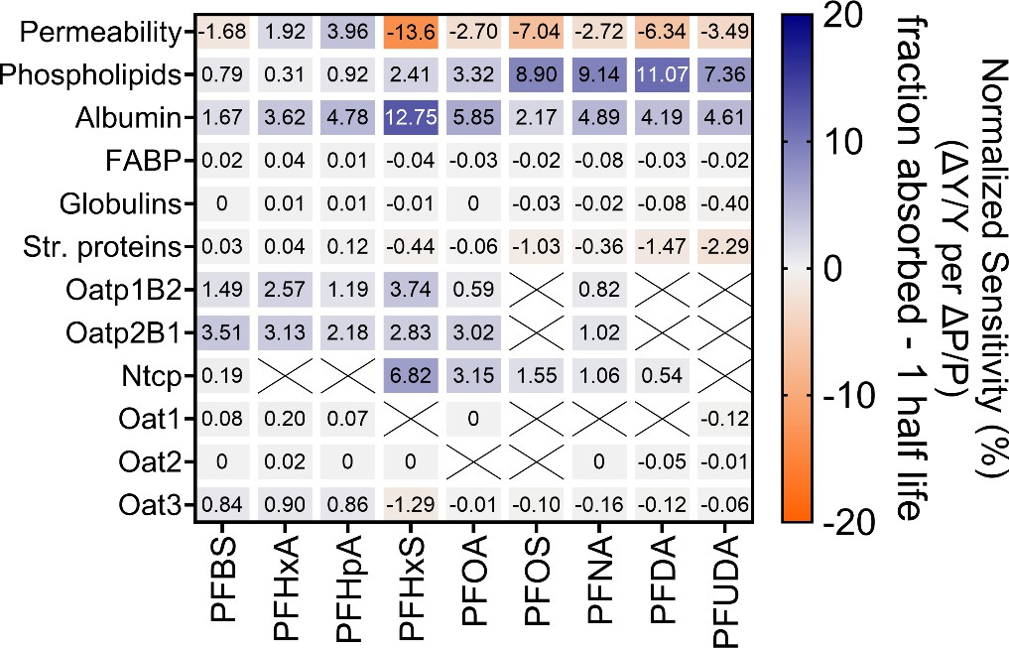
Supporting Information
Understanding Mechanisms of PFAS Absorption, Distribution, and Elimination using a Physiologically Based Toxicokinetic Model Fabian C. Fischer1,2,*, Colin Thackray1, Nicholas Ferguson2, Christian Chicoine,2 Olga Skende2, Zhiji Hu1, Yumin Zhu,1 Angela Slitt2, and Elsie M. Sunderland1,3 1 Harvard John A. Paulson School of Engineering and Applied Sciences, Harvard University, Cambridge, MA, USA 2 Department of Biomedical and Pharmaceutical Sciences, University of Rhode Island, Kingston, RI, USA 3 Department of Earth and Planetary Sciences, Harvard University, Cambridge MA USA *Address correspondence to: fabian.fischer@uri.edu

Content overview: 21 Pages, 11 Figures, 9 Tables
Section |  | Contents |  |  |  |  |  |  |  |  |  |  |  |  |  |  |  |  |  |  |  |  |  |  |  |  | Page
S-1. |  | Details of PBTK model theory and parameters |  |  |  |  |  |  |  |  |  |  |  |  |  |  |  |  |  |  |  |  |  |  |  |  | S-3
S-2. |  | Physiological parameters used for the PBTK model |  |  |  |  |  |  |  |  |  |  |  |  |  |  |  |  |  |  |  |  |  |  |  |  | S-7
S-3. |  | Chemical parameters used for the PBTK model |  |  |  |  |  |  |  |  |  |  |  |  |  |  |  |  |  |  |  |  |  |  |  |  | S-9
S-4. |  | Additional data for model evaluation |  |  |  |  |  |  |  |  |  |  |  |  |  |  |  |  |  |  |  |  |  |  |  |  | S-11
S-5. |  | Additional model simulations for 9 PFAA |  |  |  |  |  |  |  |  |  |  |  |  |  |  |  |  |  |  |  |  |  |  |  |  | S-15
S-6. |  | Additional sensitivity analyses for 9 PFAA |  |  |  |  |  |  |  |  |  |  |  |  |  |  |  |  |  |  |  |  |  |  |  |  | S-18
S-7. |  | Model R code GitHub repository |  |  |  |  |  |  |  |  |  |  |  |  |  |  |  |  |  |  |  |  |  |  |  |  | S-19
S-8. |  | References cited in the Supporting Information |  |  |  |  |  |  |  |  |  |  |  |  |  |  |  |  |  |  |  |  |  |  |  |  | S-19
S-1. Details of PBTK model theory and parameters.
Uptake flux via IV and oral administration. The model considers dosing via intravenous (IV)
and oral administration, resulting in two different starting conditions. For IV administration, the
initial concentrations of free and bound PFAA concentrations (Cfree and Cbound) in central blood
are calculated using the total amount of PFAA (ntotal, mol) administered, assuming
instantaneous distribution of the added dose in the central blood compartment. The following
equations describe the initial concentrations of PFAA in blood following IV administration:
 | 1 ntotal Cfree,blood,central = (1 + Kblood/wVFwater,blood) Vwater,blood |  |  |  |  |  |  |  |  |  |  |  |  |  |  |  |  |  |  |  |  |  |  |  |  |  |  |  | (1)
 | 1 ntotal Cbound,blood,central = 1 V (1 + K VFcolloid,blood) colloids,blood blood/w |  |  |  |  |  |  |  |  |  |  |  |  |  |  |  |  |  |  |  |  |  |  |  |  |  |  |  | (2)
Here, Kblood/w is the blood-water partition coefficient (Lw/Lblood), VFwater,blood is the volume fraction
of water in the blood (Lwater/Lblood), VFcolloid,blood is the volume fraction of sorptive colloids in the
blood (Lcolloids/Lblood). Kblood/w is derived based on the volume fractions of individual blood
components (e.g., proteins and lipids) and their respective partition coefficients, as described
in the next section. For oral administration, the model does not account for binding in the gut
lumen, assuming all administered PFAA are available for transport from the gut lumen to
enterocytes.
Derivation of blood-water and tissue-water partition coefficients. Partition coefficients
describe the binding of PFAA to proteins and lipids in blood and tissues. The blood-water
(Kblood/w) and tissue-water (Ktissue/w) partition coefficients determine Cfree, which is available for
transport, metabolism, and excretion. Kblood/w accounts for the binding of PFAA to water, serum
albumin, globulins, structural proteins, and phospholipids in blood. Similarly, Ktissue/w represents
binding to water, fatty acid-binding proteins (FABPs), serum albumin, structural proteins, and
phospholipids in tissues. These coefficients are calculated using the volume fractions of each
component and their partition coefficients relative to water:
 | Kblood/w = VFalbKalb/w + VFglobKglob/w + VFSPKSP/w + VFMLKML/w |  |  |  |  |  |  |  |  |  |  |  |  |  |  |  |  |  |  |  |  |  |  |  |  |  |  |  | (3)
 | Kplasma/w = VFalbKalb/w + VFglobKglob/w + VFSPKSP/w + VFMLKML/w |  |  |  |  |  |  |  |  |  |  |  |  |  |  |  |  |  |  |  |  |  |  |  |  |  |  |  | (4)
 | Ktissue/w = VFalbKalb/w + VFglobKglob/w + VFSPKSP/w + VFFABPKFABP/w + VFMLKML/w |  |  |  |  |  |  |  |  |  |  |  |  |  |  |  |  |  |  |  |  |  |  |  |  |  |  |  | (5)
Here, VF refers to the volume fractions of albumin (alb), globulins (glob), structural proteins
(SP), fatty acid-binding proteins (FABP), and phospholipids (ML) within the respective
compartment. K represent the partition coefficients of PFAA for each of these biomolecules
relative to water, based on experimental in vitro binding data.
Flux of PFAA from central blood to organ blood via physiological blood flow. Cfree and
Cbound of PFAA are transported from the central blood to organ-specific blood compartments
(i.e., blood perfusing the organ). The flux (J, mol/s) into the tissue-specific blood compartments
is calculated as:
 | Jfree,blood,in = Qblood,inVFwater,blood(Cfree,blood,central − Cfree,blood,tissue) |  |  |  |  |  |  |  |  |  |  |  |  |  |  |  |  |  |  |  |  |  |  |  |  |  |  |  | (6)
 | Jbound,blood,in = Qblood,inVFcolloids,blood(Cbound,blood,central − Cbound,blood,tissue) |  |  |  |  |  |  |  |  |  |  |  |  |  |  |  |  |  |  |  |  |  |  |  |  |  |  |  | (7)
where Qblood,in is the physiological blood flow rate in and out of the tissue (Lblood/s), VFwater,blood
is the volume fraction of water in the blood (Lwater/Lblood), VFcolloids,blood is the volume fraction of
sorptive colloids in the blood (Lcolloids/Lblood), Cfree,blood,central, Cfree,blood,tissue, Cbound,blood,central,
Cbound,blood,tissue account for the concentration gradient between the central and tissue blood
compartments.
Flux of PFAA through sorption and desorption to and from tissue biomolecules. The flux
between bound and free PFAA within a compartment (Jbound→free, mol/s) is calculated as:
 | Jbound→free = kdesVFcolloid(Cbound − CfreeKcolloid/w) |  |  |  |  |  |  |  |  |  |  |  |  |  |  |  |  |  |  |  |  |  |  |  |  |  |  |  | (8)
where kdes is the first-order desorption rate constant of PFAA from blood and tissue colloids,
VFcolloid is the volume fraction of colloids in the compartment, and Kcolloid/w is the colloid-water
partition coefficient (Lw/Lcolloid), derived using eq. 3 or 4.
Flux of PFAA from blood into tissues via passive permeability. The flux of freely dissolved
PFAA from the blood to tissues following passive diffusion is calculated using the chemical’s
permeability (Papp, cm/s) through cell membranes.
 | Jpermeability = PappAtissue/blood(Cfree,blood − Cfree,tissue) |  |  |  |  |  |  |  |  |  |  |  |  |  |  |  |  |  |  |  |  |  |  |  |  |  |  |  | 9)
where Atissue/blood is the capillary surface area in m² (i.e., the contact area between blood and
tissue). Membrane transporter-mediated uptake is calculated similarly using transporter-
specific permeabilities (Ptran, cm/s). For bidirectional transporters:
 | Jtransporter = PtranAtissue/blood(Cfree,blood − Cfree,tissue) |  |  |  |  |  |  |  |  |  |  |  |  |  |  |  |  |  |  |  |  |  |  |  |  |  |  |  | (10)
For unidirectional transporters:
 | Jtransporter = PtranAtissue/bloodCfree,blood |  |  |  |  |  |  |  |  |  |  |  |  |  |  |  |  |  |  |  |  |  |  |  |  |  |  |  | (11)
Biliary, fecal and urinary excretion is calculated as:
 | Jexcretion = Qbiofluid Cbiofluid |  |  |  |  |  |  |  |  |  |  |  |  |  |  |  |  |  |  |  |  |  |  |  |  |  |  |  | (12)
Where Qbiofluid is the physiological flow rate of the biofluid, and Cbiofluid is the concentration of
PFAA in the biofluid (mol/L).
Affinities of PFAA for active transport across biological membranes were assessed using
uptake ratios measured in transporter-expressing cells compared to transporter-free controls.
Uptake ratios were converted to transporter-mediated permeability (Ptran, cm/s) using the
formula:
 | Ptran = Uptake ratio ∙ Papp − Papp |  |  |  |  |  |  |  |  |  |  |  |  |  |  |  |  |  |  |  |  |  |  |  |  |  |  |  | (13)
where Papp represents the passive permeability measured in transporter-free cells.
Transporter-mediated permeability Ptran was then scaled to in vivo conditions using relative activity factors (RAF) derived from in vitro cell and tissue-specific expression data.1
Quantitative in vitro-in vivo extrapolation (IVIVE) was carried out in the PBTK model by scaling
in vitro cell surface areas and cell volumes to tissue-specific surface areas and volumes in
mice.
To calculate plasma concentrations (Cplasma) from simulated whole blood concentrations (Cblood), we used a previously described composition-based mass balance approach,2,3 in
which the plasma-water (Kplasma/w) and blood-water (Kblood/w) partition coefficients are calculated
as the sum of sorptive component-water partition coefficients, each weighted by its respective
volume fraction (see equations 3 and 4, and Tables S6 and S7). These partition coefficients
were then used to estimate the distribution of the chemical between plasma and whole blood
as follows:
 | fplasma Cplasma = Cblood ∙ VF plasma |  |  |  |  |  |  |  |  |  |  |  |  |  |  |  |  |  |  |  |  |  |  |  |  |  |  |  | (14)
Where:
 | Kplasma/w fplasma = K ∙ VFplasma blood/w |  |  |  |  |  |  |  |  |  |  |  |  |  |  |  |  |  |  |  |  |  |  |  |  |  |  |  | (15)
Here, fplasma represents the fractional distribution of the chemical in plasma at equilibrium,
derived from the relative sorptive capacities of plasma and whole blood. VFplasma is the volume
fraction of plasma in whole blood (set to 60%).
S-2. Physiological parameters used for the PBTK model.
Table S1. Organ or biofluid volumes in a 30 g mouse.
Organ / Biofluid |  |  |  |  |  |  |  |  | Volume (mL)
Total Blood |  |  |  |  |  |  |  |  | 2.004
Blood in central compartment (steady state) |  |  |  |  |  |  |  |  | 1.0068a
Liver |  |  |  |  |  |  |  |  | 1.654
Kidneys |  |  |  |  |  |  |  |  | 0.514
Gut |  |  |  |  |  |  |  |  | 1.714
Rest |  |  |  |  |  |  |  |  | 24.134
Bile (steady-state) |  |  |  |  |  |  |  |  | 0.035
Gut lumen |  |  |  |  |  |  |  |  | 3.15b
Renal tubular lumen |  |  |  |  |  |  |  |  | 0.0765c
4 as reported in Hall et al. (2012). 5 estimated based on Kong et al. (2022). a Calculated as total blood subtracted by the steady-state blood volumes perfusing the organs. b Estimated assuming cylindrical structure with an average gut length of 42 cm and diameter of 0.55 cm. c Estimated as 15% volume % of the total kidney volume.
Table S2. Steady-state blood volumes in organs for a 30 g mouse.
Organ |  |  |  |  |  |  |  |  | Volume (mL)
Liver (hepatic artery) |  |  |  |  |  |  |  |  | 0.3574
Liver (portal vein) |  |  |  |  |  |  |  |  | 0.1534
Kidneys |  |  |  |  |  |  |  |  | 0.124
Gut |  |  |  |  |  |  |  |  | 0.034
Rest |  |  |  |  |  |  |  |  | 0.334
4 as reported in Hall et al. 2012; Hepatic artery and portal vein blood volumes were calculated assuming 30%/70% distribution between hepatic artery and portal vein. Rest was calculated as total blood in organs – sum(liver, kidneys, gut).
Table S3. Physiological flow rate of blood perfusing organs and bile flow rate for a 30 g mouse.
Organ |  |  |  |  |  |  |  |  | Flow rate (cm³/s)
Liver (hepatic artery) |  |  |  |  |  |  |  |  | 0.0214
Liver (portal vein) |  |  |  |  |  |  |  |  | 0.0094
Kidneys |  |  |  |  |  |  |  |  | 0.02174
Gut |  |  |  |  |  |  |  |  | 0.0254
Rest |  |  |  |  |  |  |  |  | 0.07174
Bile |  |  |  |  |  |  |  |  | 61x10-7
4 as reported in Hall et al. 2012. 6 estimated from Pedreira (1964).
Table S4. Capillary surface areas for a 30 g mouse.
Organ / Compartment |  |  |  |  |  |  |  |  |  |  |  |  |  | Capillary Surface Area (cm²)
Hepatic artery (Aliver) |  |  |  |  |  |  |  |  |  |  |  |  |  | 3007
Portal vein (Aliver,hep) |  |  |  |  |  |  |  |  |  |  |  |  |  | 7007
Kidneys (Akidneys) |  |  |  |  |  |  |  |  |  |  |  |  |  | 4008
Glomerular filtration surface area (AGF) |  |  |  |  |  |  |  |  |  |  |  |  |  | 35d
Renal tubule interface area (Atubular) |  |  |  |  |  |  |  |  |  |  |  |  |  | 11.6e
Gut (Agut) |  |  |  |  |  |  |  |  |  |  |  |  |  | 12009
Gut lumen (Agut,lumen) |  |  |  |  |  |  |  |  |  |  |  |  |  | 48009
Rest (Arest) |  |  |  |  |  |  |  |  |  |  |  |  |  | 400f
7 Estimated based on Yoon et al. (2013), assuming 30% to 70% distribution of hepatic artery to portal vein blood supply. 9 Estimated based on Casteleyn et al. (2010). 8 Estimated based on Guo et al. (2005). d Estimated based on Guo et al. (2005) assuming 15,000 nephrons. e Estimated based on surface area, length, and diameter of proximal tubules. f Estimated from perfusion rates and volumes of the organs in the “rest” compartment.
Table S5. Physiological excretion flow rates.
Excretion pathway |  |  |  |  |  |  | Flow rate (cm³/day)
Feces flow rate |  |  |  |  |  |  | 3.4810
Urine flow rate |  |  |  |  |  |  | 2.6611
10 As reported in Kraus et al. (2015) for 12-week old male C57BL/6 mice; assuming a water content of 60% 11 As reported in Stechman et al. (2010); average of male and female C57BL/6 mice.
Table S6. Volume percentages of proteins and lipid in organs.
Organ / Biofluid |  | Water and non-sorptive componentsb |  |  |  |  |  | Albumin (SA) |  |  |  | Globulins (glob)12 |  |  |  |  | Structural proteins (SP) |  |  |  |  | Fatty-acid binding proteins (FABP) |  |  | Phospholipids (PL)
Blood |  | 80.278% |  |  |  |  |  | 1.47%13 |  |  |  | 1.33% |  |  |  |  | 16.57%13 |  |  |  |  | 0% |  |  | 0.392%14
Plasma |  | 92.800% |  |  |  |  |  | 2.94%13 |  |  |  | 2.00% |  |  |  |  | 2.21%13 |  |  |  |  | 0% |  |  | 0.17%14
Liver |  | 76.834% |  |  |  |  |  | 0.12%13 |  |  |  | 0% |  |  |  |  | 20.75%13 |  |  |  |  | 0.25%13 |  |  | 2.046%14
Kidneys |  | 79.820% |  |  |  |  |  | 0.14%13 |  |  |  | 0% |  |  |  |  | 17.67%13 |  |  |  |  | 0.31%13 |  |  | 2.060%14
Gut |  | 93.020% |  |  |  |  |  | 0.07%13 |  |  |  | 0% |  |  |  |  | 5.63%13 |  |  |  |  | 0.02%15 |  |  | 1.26%13
Rest |  | 87.494% |  |  |  |  |  | 0.086%a |  |  |  | 0% |  |  |  |  | 11.28%a |  |  |  |  | 0% |  |  | 1.14%a
Bile |  | 96% |  |  |  |  |  | 1%16 |  |  |  | 0% |  |  |  |  | 0% |  |  |  |  | 0% |  |  | 3%16
12 As reported in Zaias et al. (2009) for mice. 13 Estimated based on the reported data by Allendorf et al. (2021) for rats. 14 As reported for mouse in Ruark et al. (2014). a Calculated based on mouse organ volumes in Hall et al. (2012) and composition of rat organs reported in Allendorf et al. (2021). 15 Estimated based on Storch et al. (2000). 16 From Wu et al. (2005) b Calculated as 100% - sorptive components.
S-3. Chemical parameters used for the PBTK model.
Table S7. Partition coefficients for phospholipids (PL), serum albumin (SA), fatty acid binding protein (FABP), and structural proteins (SP) for 9 PFAA.
Compound |  |  |  |  |  | MW |  | Abbr. |  |  |  | log KPL/w (L/L)17,18 |  |  |  | log KSA/w (L/L)19-22 |  |  |  | log Kglob/w (L/L)20 |  |  |  | log KFABP/w (L/L)22-24 |  | log KSP/w (L/L)13
Perfluorohexanoic acid |  |  |  |  |  | 314 |  | PFHxA |  |  |  | 2.31±0.03 |  |  |  | 3.89±0.02 |  |  |  | 1.73±0.12 |  |  |  | 2.39±0.41 |  | 0.64±0.18
Perfluoroheptanoic acid |  |  |  |  |  | 364 |  | PFHpA |  |  |  | 2.89±0.04 |  |  |  | 4.08±0.05 |  |  |  | 1.81±0.12 |  |  |  | 2.30±0.20 |  | 1.30±0.11
Perfluorooctanoic acid |  |  |  |  |  | 414 |  | PFOA |  |  |  | 3.51±0.03 |  |  |  | 4.17±0.03 |  |  |  | 2.16±0.08 |  |  |  | 3.42±0.25 |  | 1.61±0.15
Perfluorononanoic acid |  |  |  |  |  | 464 |  | PFNA |  |  |  | 4.16±0.03 |  |  |  | 4.26±0.05 |  |  |  | 2.81±0.05 |  |  |  | 3.94±0.29 |  | 2.17±0.06
Perfluorodecanoic acid |  |  |  |  |  | 514 |  | PFDA |  |  |  | 4.66±0.04 |  |  |  | 4.57±0.03 |  |  |  | 3.68±0.05 |  |  |  | 3.72±0.20 |  | 2.96±0.16
Perfluoroundecanoic acid |  |  |  |  |  | 564 |  | PFUDA |  |  |  | 4.54±0.3 |  |  |  | 4.71±0.10 |  |  |  | 4.64±0.11 |  |  |  | 3.80±0.20 |  | 3.42±0.14
Perfluorobutane sulfonic acid |  |  |  |  |  | 300 |  | PFBS |  |  |  | 2.79±0.05 |  |  |  | 3.61±0.06 |  |  |  | 2.03±0.20 |  |  |  | 2.29±0.67 |  | 0.74±0.10
Perfluorohexane sulfonic acid |  |  |  |  |  | 400 |  | PFHxS |  |  |  | 3.93±0.03 |  |  |  | 4.68±0.04 |  |  |  | 1.95±0.08 |  |  |  | 2.90±0.20 |  | 1.73±0.17
Perfluorooctane sulfonic acid |  |  |  |  |  | 500 |  | PFOS |  |  |  | 4.88±0.05 |  |  |  | 4.55±0.05 |  |  |  | 3.33±0.02 |  |  |  | 3.70±0.19 |  | 2.94±0.15
The combined mean and SD from several studies were calculated using weighted averages, with weights inversely proportional to the square of the reported SDs. The combined SD was derived from the sum of these weights. 17,18 Average from Ebert et al. (2020) and Droge et al. (2019). 20 As reported in Fischer et al. (2024). 19-22 Average from Bischel et al. (2013), Allendorf et al. (2019), Jia et al. (2022), and Fischer et al. (2024). Partition coefficients were transformed from L/kg to L/L, assuming a protein density of albumin of 1.36 kg/L. 22-24 As reported in Zhang et al. (2013), Yang et al. (2020), and Jia et al. (2022). Highest values were taken from the respective references to simulate the highest possible FABP binding. Binding affinities (Ka or Kd) were converted to KFABP/w using the formula KFABP/w = Ka/MWFABP/δFABP, where MWFABP = 14 kg/mol and δFABP = 1.46 kg/L. The method is adapted from Endo et al. (2011).25
Table S8. Arithmetic means (µ) and standard deviations (σ) of de-log-transformed partition coefficients (K) for phospholipids (PL), serum albumin (SA), fatty acid binding protein (FABP), and structural proteins (SP) for nine perfluoroalkyl acids (PFAA). These values were derived by converting the log K values reported in Table S7 to linear scale.
PFAA Abbrev. |  | µPL/w |  |  | σPL/w |  |  | µSA/w |  | σSA/w |  |  |  |  | µglob/w |  |  | σglob/w |  | µFABP/w 22-24 |  |  | σFABP/w |  | µSP/w |  |  | σSP/w
PFHxA |  | 5.32 |  |  | 0.0690 |  |  | 8.96 |  | 0.0460 |  |  |  |  | 3.95 |  |  | 0.2712 |  | 5.18 |  |  | 0.7983 |  | 1.39 |  |  | 0.3982
PFHpA |  | 6.65 |  |  | 0.0919 |  |  | 9.39 |  | 0.1148 |  |  |  |  | 4.13 |  |  | 0.2712 |  | 5.20 |  |  | 0.4386 |  | 2.96 |  |  | 0.2494
PFOA |  | 8.08 |  |  | 0.0690 |  |  | 9.60 |  | 0.0690 |  |  |  |  | 4.96 |  |  | 0.1827 |  | 7.73 |  |  | 0.5350 |  | 3.65 |  |  | 0.3357
PFNA |  | 9.58 |  |  | 0.0690 |  |  | 9.80 |  | 0.1148 |  |  |  |  | 6.46 |  |  | 0.1148 |  | 8.89 |  |  | 0.6072 |  | 4.99 |  |  | 0.1375
PFDA |  | 10.73 |  |  | 0.0919 |  |  | 10.52 |  | 0.0690 |  |  |  |  | 8.47 |  |  | 0.1148 |  | 8.47 |  |  | 0.4386 |  | 6.75 |  |  | 0.3568
PFUDA |  | 10.26 |  |  | 0.6246 |  |  | 10.82 |  | 0.2273 |  |  |  |  | 10.65 |  |  | 0.2494 |  | 8.65 |  |  | 0.4386 |  | 7.83 |  |  | 0.3144
PFBS |  | 6.42 |  |  | 0.1148 |  |  | 8.30 |  | 0.1375 |  |  |  |  | 4.58 |  |  | 0.4386 |  | 4.66 |  |  | 1.1036 |  | 1.68 |  |  | 0.2273
PFHxS |  | 9.05 |  |  | 0.0690 |  |  | 10.77 |  | 0.0919 |  |  |  |  | 4.47 |  |  | 0.1827 |  | 6.58 |  |  | 0.4386 |  | 3.91 |  |  | 0.3776
PFOS |  | 11.23 |  |  | 0.1148 |  |  | 10.47 |  | 0.1148 |  |  |  |  | 7.67 |  |  | 0.0460 |  | 8.43 |  |  | 0.4185 |  | 6.71 |  |  | 0.3357
Table S9. Apparent permeabilities and organic anion transporter polypeptide (OATP)- mediated permeabilities for 9 PFAA and standard deviations (±SD).
PFAA Abbrev. |  |  | Papp (cm/s)26 |  |  |  |  |  |  |  | POATP1B2 (cm/s)a |  |  |  |  |  |  |  |  |  | POATP2B1 (cm/s)
PFHxA |  |  | 1.16×10-6 ± 2.42×10-7 |  |  |  |  |  |  |  | 6.14×10-7 ± 1.29×10-7 |  |  |  |  |  |  |  |  |  | 2.27×10-7 ± 4.97×10-8
PFHpA |  |  | 1.40×10-6 ± 1.93×10-7 |  |  |  |  |  |  |  | 2.06×10-7 ± 2.00×10-7 |  |  |  |  |  |  |  |  |  | 1.40×10-7 ± 4.67×10-8
PFOA |  |  | 1.46×10-6 ± 9.81×10-8 |  |  |  |  |  |  |  | 1.33×10-7 ± 3.69×10-8 |  |  |  |  |  |  |  |  |  | 2.53×10-7 ± 4.19×10-8
PFNA |  |  | 3.77×10-6 ± 8.29×10-7 |  |  |  |  |  |  |  | 1.99×10-6 ± 1.14×10-6 |  |  |  |  |  |  |  |  |  | 1.31×10-7 ± 1.26×10-7
PFDA |  |  | 8.44×10-6 ± 2.78×10-7 |  |  |  |  |  |  |  | no hit |  |  |  |  |  |  |  |  |  | no hit
PFUDA |  |  | 1.16×10-5 ± 6.93×10-7 |  |  |  |  |  |  |  | no hit |  |  |  |  |  |  |  |  |  | no hit
PFBS |  |  | 1.38×10-6 ± 2.00×10-7 |  |  |  |  |  |  |  | 1.45×10-6 ± 3.29×10-7 |  |  |  |  |  |  |  |  |  | 8.58×10-7 ± 1.78×10-7
PFHxS |  |  | 1.84×10-6 ± 1.51×10-7 |  |  |  |  |  |  |  | 6.17×10-7 ± 2.05×10-7 |  |  |  |  |  |  |  |  |  | 2.30×10-7 ± 3.52×10-8
PFOS |  |  | 1.40×10-5 ± 3.67×10-7 |  |  |  |  |  |  |  | no hit |  |  |  |  |  |  |  |  |  | no hit
Transporter permeabilities were calculated from uptake rates using RAF derived from in vitro cell and tissue-specific expression data.1 No hit = no measurable influence of transporter-mediated uptake (set to 0 in model). a Human OATP1B3 is used as surrogate for mouse Oatp1B2. 26 As reported in Ryu et al. (2024) and converted to transporter-mediated permeabilities using RAF derived from in vitro cell and tissue-specific expression data.1 No hit = no measurable influence of transporter-mediated uptake (set to 0 in model).
Table S10. Organic anion transporter (OAT)-mediated permeabilities for 9 PFAA and standard deviations (±SD).
PFAA Abbrev. |  |  |  | POAT1 (cm/s)26 |  |  |  | POAT2 (cm/s)26 |  |  |  |  | POAT3 (cm/s)26 |  |  |  |  |  | PNTCP (cm/s)27
PFHxA |  |  |  | 3.80×10-6 ± 2.17×10-7 |  |  |  | 3.17×10-9 ± 1.11×10-8 |  |  |  |  | 1.76×10-5 ± 2.58×10-7 |  |  |  |  |  | no data
PFHpA |  |  |  | 1.03×10-6 ± 1.75×10-7 |  |  |  | 2.30×10-8 ± 1.72×10-8 |  |  |  |  | 1.25×10-5 ± 2.38×10-7 |  |  |  |  |  | no data
PFOA |  |  |  | 8.48×10-7 ± 2.06×10-7 |  |  |  | no hit |  |  |  |  | 1.68×10-5 ± 2.14×10-8 |  |  |  |  |  | 7.22×10-7 ± 3.66×10-8
PFNA |  |  |  | no hit |  |  |  | 5.19×10-9 ± 9.80×10-8 |  |  |  |  | 1.34×10-6 ± 6.48×10-8 |  |  |  |  |  | 2.57×10-7 ± 1.72×10-8
PFDA |  |  |  | no hit |  |  |  | 2.66×10-7 ± 7.05×10-7 |  |  |  |  | 7.41×10-7 ± 4.12×10-8 |  |  |  |  |  | 2.35×10-7 ± 5.58×10-8
PFUDA |  |  |  | 1.81×10-6 ± 5.42×10-7 |  |  |  | 1.43×10-7 ± 8.24×10-7 |  |  |  |  | 8.18×10-7 ± 3.10×10-7 |  |  |  |  |  | no data
PFBS |  |  |  | 3.04×10-6 ± 4.31×10-8 |  |  |  | 1.32×10-8 ± 2.84×10-8 |  |  |  |  | 3.30×10-5 ± 9.09×10-7 |  |  |  |  |  | 1.81×10-7 ± 7.11×10-8
PFHxS |  |  |  | no hit |  |  |  | 2.53×10-9 ± 1.77×10-8 |  |  |  |  | 1.35×10-5 ± 1.80×10-7 |  |  |  |  |  | 1.13×10-6 ± 2.73×10-8
PFOS |  |  |  | no hit |  |  |  | no hit |  |  |  |  | 1.13×10-6 ± 3.08×10-7 |  |  |  |  |  | 1.50×10-6 ± 1.13×10-7
Transporter permeabilities were calculated from uptake rates using RAF derived from in vitro cell and tissue-specific expression data.1 No hit = no measurable influence of transporter-mediated uptake (set to 0 in model). 26 As reported in Ryu et al. (2024) and converted using RAF derived from in vitro cell and tissue-specific expression data.1 27 As reported in Zhao et al. (2015) and converted to transporter-mediated permeabilities using RAF derived from in vitro cell and tissue-specific expression data.1 Distributions were truncated at zero to prevent unphysical negative values.
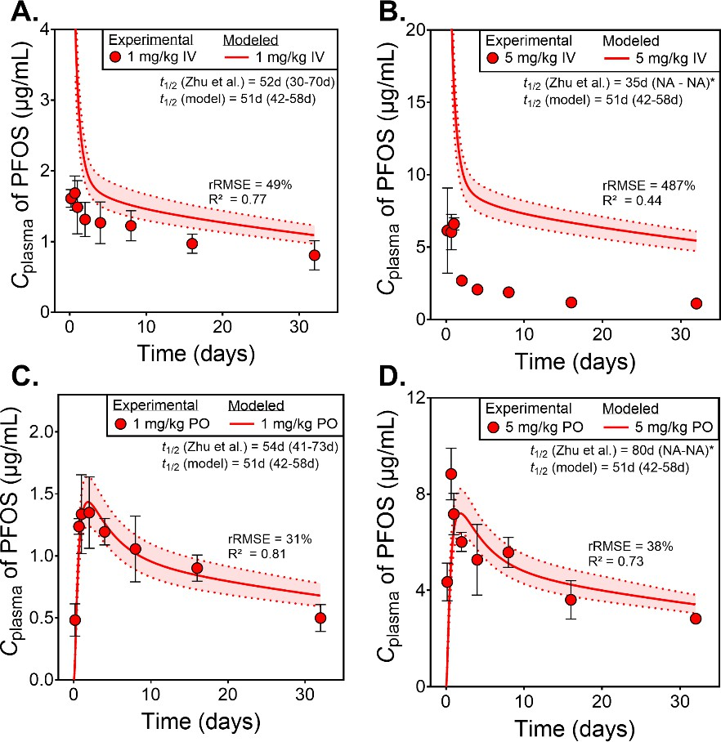 S-4. Additional data for model evaluation. Figure S1. Modeled versus experimental plasma concentrations of PFOS over 32 days in CD- 1 mice following single oral (PO) or intravenous (IV) doses at 1 mg/kg and 5 mg/kg. Shaded areas represent 95% confidence intervals for model predictions. Modeled and experimental elimination half-lives with 95% CIs, along with rRMSE and R² metrics as metrics for model performance, are provided in each plot.

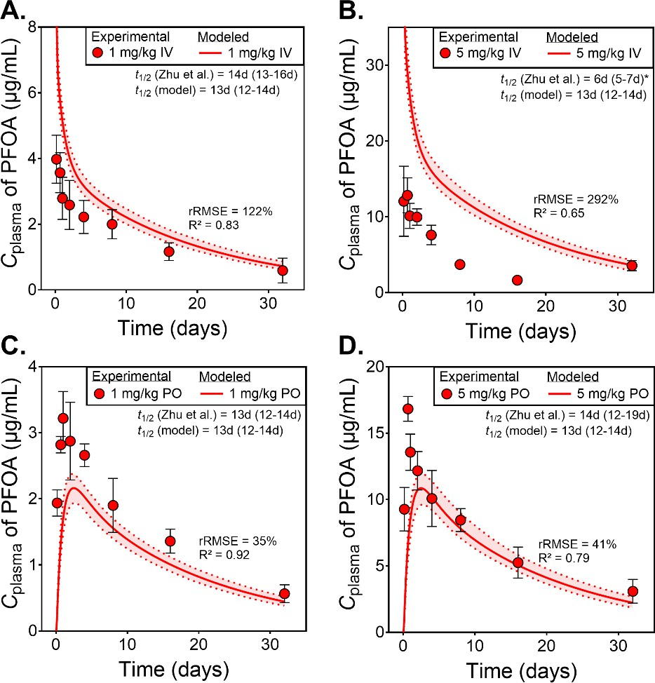 Figure S2. Modeled versus experimental plasma concentrations of PFOA over 32 days in CD- 1 mice following single oral (PO) or intravenous (IV) doses at 1 mg/kg and 5 mg/kg. Shaded areas represent 95% confidence intervals for model predictions. Modeled and experimental elimination half-lives with 95% CIs, along with rRMSE and R² metrics as metrics for model performance, are provided in each plot.

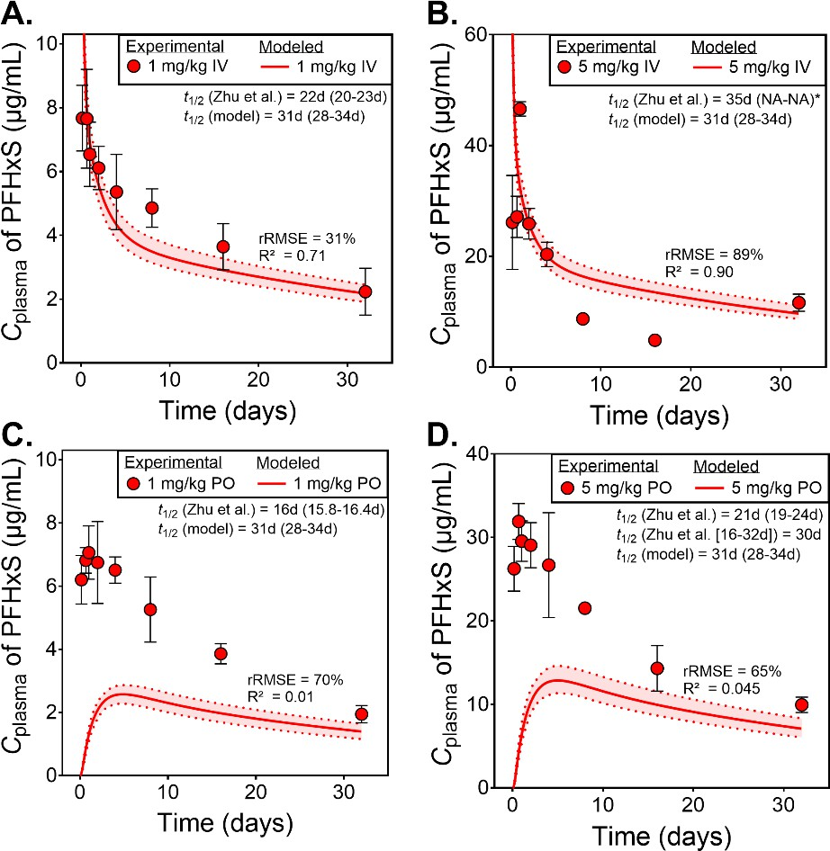 Figure S3. Modeled versus experimental plasma concentrations of PFHxS over 32 days in CD-1 mice following single oral (PO) or intravenous (IV) doses at 1 mg/kg and 5 mg/kg. Shaded areas represent 95% confidence intervals for model predictions. Modeled and experimental elimination half-lives with 95% CIs, along with rRMSE and R² metrics as metrics for model performance, are provided in each plot. Figure S4. Simulated against experimental plasma concentrations of PFOS in wild- type mice over the course of 65 days after single oral administrations of 5 mg/kg (A), 0.5 mg/kg (B), and 0.1 mg/kg PFOS (C).

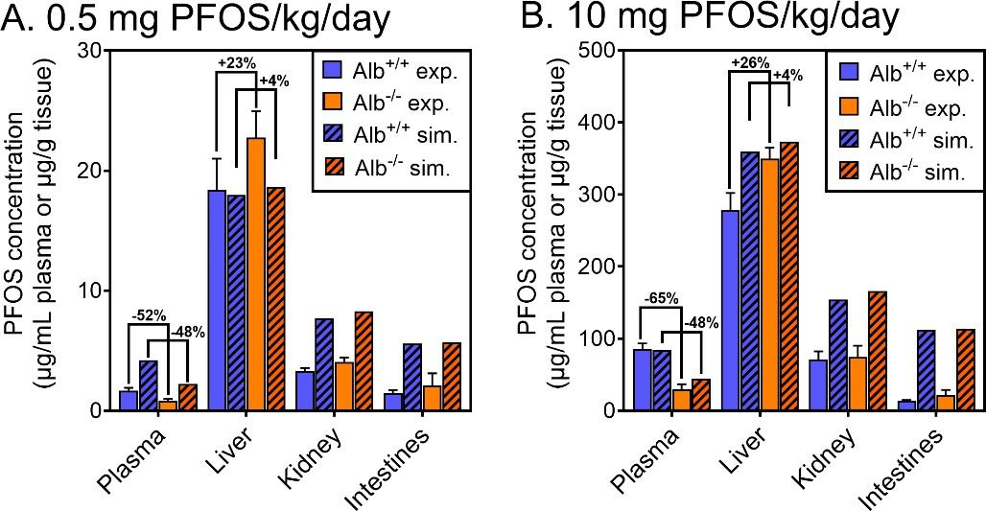 Figure S5. Simulated against experimental plasma concentrations of PFOS in FABP knock-out mice and wild-types after single oral administration of PFOS over the course of 65 days. Experimental and simulated blood concentrations of PFOS in wild-type and FABP knock-out mice following a single oral dose of PFOS (5 mg/kg, left; 0.5 mg/kg, middle and right). Corresponding model predictions are shown as dashed or dotted lines. Figure S6. Simulated against experimental PFOS concentration in plasma, liver, kidney, and intestines of albumin knock-out (Alb-/-) and wild-type mice (Alb+/+) that were dosed with A: 0.5 mg PFOS/kg/day or B: 10 mg PFOS/kg/day.

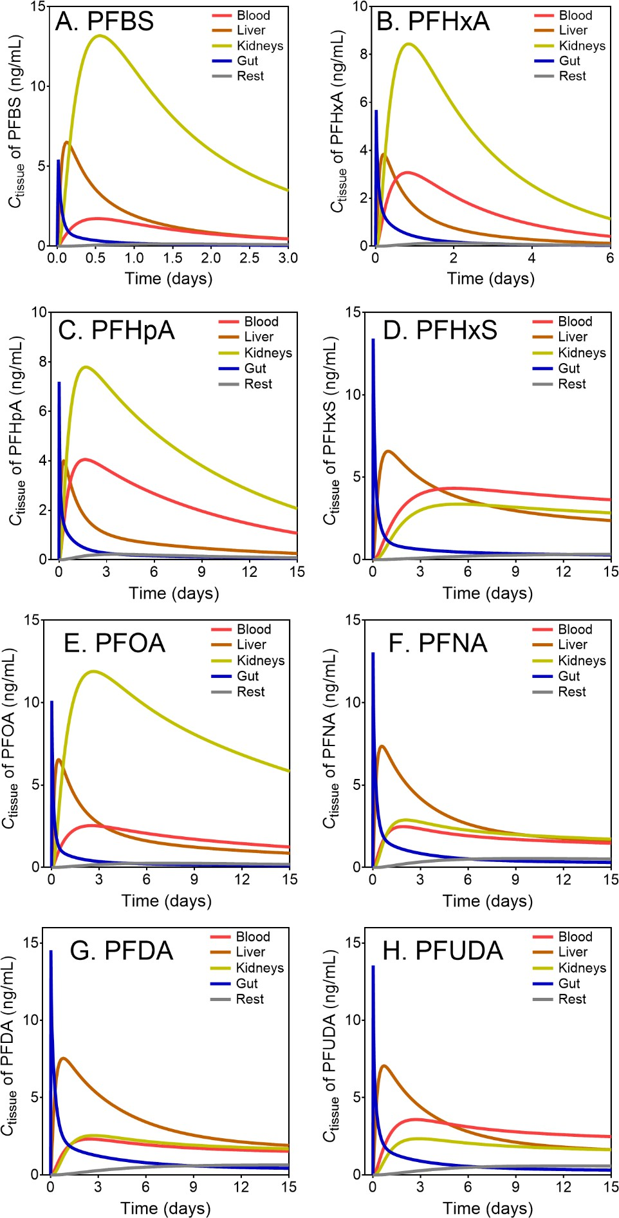
S-5. Additional model simulations for 9 PFAA. Figure S7. Modeled temporal concentrations of PFBS (A), PFHxA (B), PFHpA (C), PFHxS (D), PFOA (E), PFNA (F), PFDA (G), and PFUDA (H) across blood, liver, kidneys, gut, and rest tissues over 15 days following a single oral administration of 1000 ng.

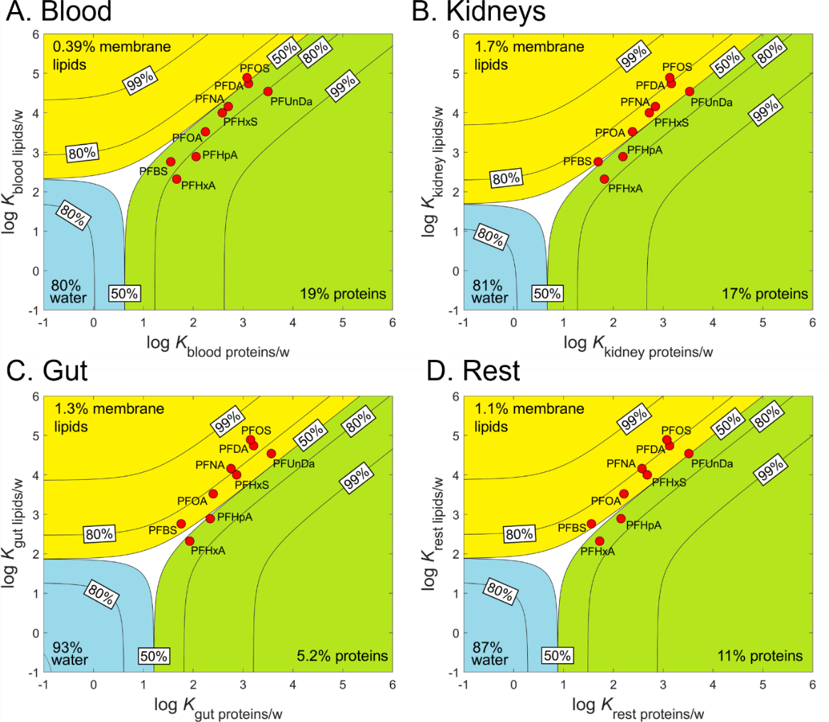 Figure S8. Chemical space plots showing the distribution of 9 PFAA between proteins, phospholipids, and water in blood (A), kidneys (B), gut (C), and rest of the body (D). The red dots indicate the location of each PFAA within the chemical space, with the lines representing the 50%, 80%, and 99% distribution thresholds.

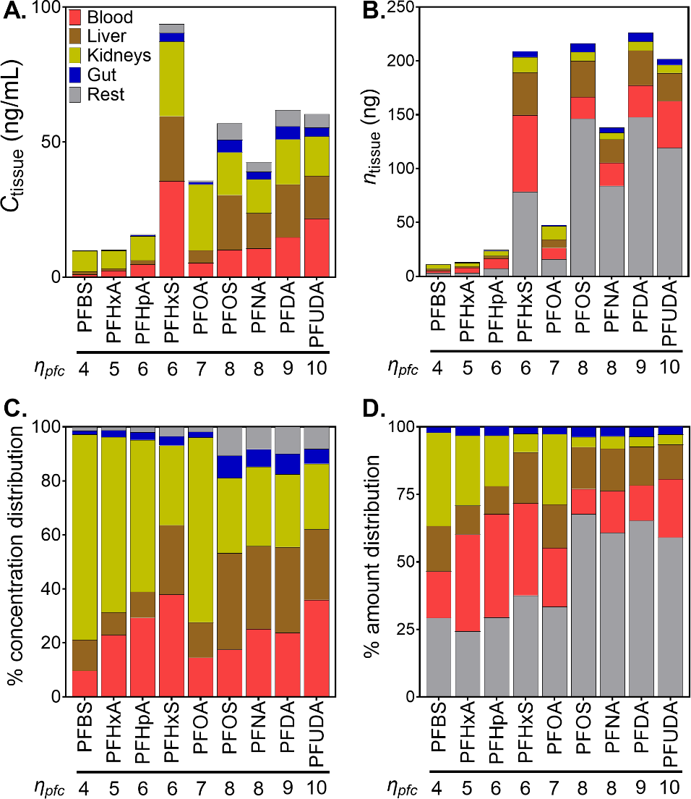 Figure S9. Tissue concentrations and distribution of PFAA following repeated daily dosing for two years. Panel (A) shows tissue concentrations of PFAA in blood, liver, kidney, and rest compartments. Panel (B) depicts total amounts of PFAA in each tissue compartment. Panel (C) illustrates the percentage distribution of concentrations among tissues. Panel (D) displays the percentage distribution of total amounts.

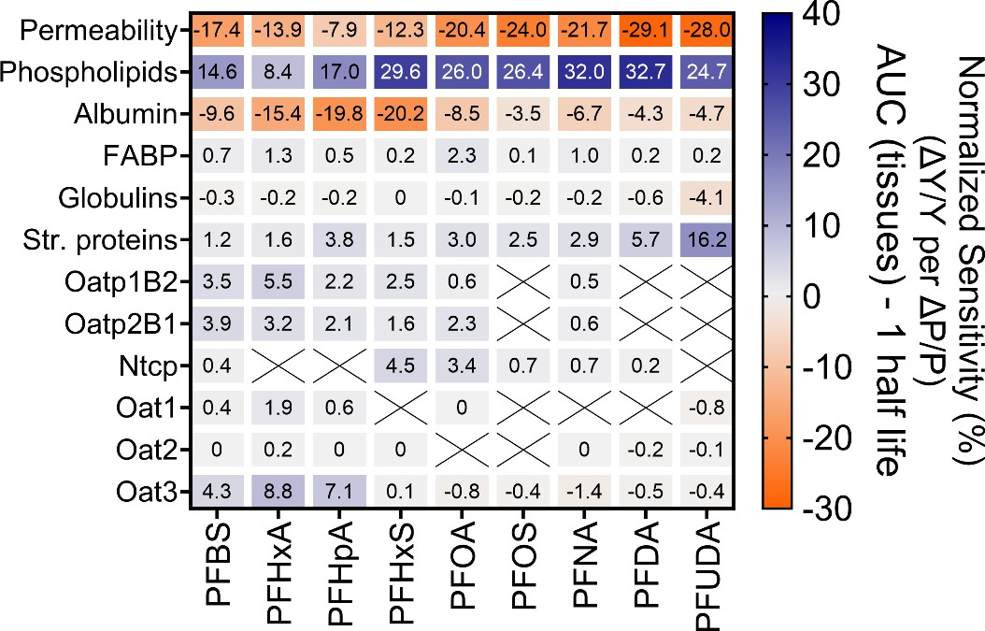 S-6. Additional sensitivity analyses for 9 PFAA. Figure S10. Sensitivity analysis of toxicokinetic parameters for tissue exposures (AUC) of nine PFAA in mice. Parameters were perturbed by +10%, and normalized sensitivity coefficients were calculated as the ratio of the relative change in the outcome Y to the relative change in the parameter P (blue: positive, orange: negative). Simulations used single oral doses with durations of one half-life to capture absorption, distribution, and elimination. Diagonal lines indicate non-applicable TK parameters. Figure S11. Sensitivity analysis of toxicokinetic parameters for the fraction absorbed of nine PFAA in mice. Parameters were perturbed by +10%, and normalized sensitivity coefficients were calculated as the ratio of the relative change in the outcome Y to the relative change in the parameter P (blue: positive, orange: negative). Simulations used single oral doses with durations of one half-life to capture absorption, distribution, and elimination. Diagonal lines indicate non-applicable TK parameters.

S-7. Model R code GitHub repository. The model code used in this study, including codes for all nine PFAS compounds, wild-type and knock-out mouse variants, sensitivity analysis, and Monte Carlo simulations, is available at: https://github.com/fchrfischer/PBTKmodeling This repository includes: • Fully annotated R codes for each compound and system. • Instructions for running simulations given chemical and physiological parameters. • Updates to the PBTK model and input parameter data tables S-8. References cited in the Supporting Information. (1) Mathialagan, S.; Piotrowski, M. A.; Tess, D. A.; Feng, B.; Litchfield, J.; Varma, M. V. Quantitative Prediction of Human Renal Clearance and Drug-Drug Interactions of Organic Anion Transporter Substrates Using In Vitro Transport Data: A Relative Activity Factor Approach. Drug Metab Dispos 2017, 45 (4), 409-417. DOI: 10.1124/dmd.116.074294 From NLM. (2) Schmitt, W. General approach for the calculation of tissue to plasma partition coefficients. Toxicol in Vitro 2008, 22 (2), 457-467. DOI: https://doi.org/10.1016/j.tiv.2007.09.010. (3) Endo, S.; Brown, T. N.; Goss, K.-U. General Model for Estimating Partition Coefficients to Organisms and Their Tissues Using the Biological Compositions and Polyparameter Linear Free Energy Relationships. Environmental Science & Technology 2013, 47 (12), 6630-6639. DOI: 10.1021/es401772m. (4) Hall, C.; Lueshen, E.; Mošat, A.; Linninger, A. A. Interspecies Scaling in Pharmacokinetics: A Novel Whole-Body Physiologically Based Modeling Framework to Discover Drug Biodistribution Mechanisms in vivo. J Pharm Sci-Us 2012, 101 (3), 1221-1241. DOI: https://doi.org/10.1002/jps.22811. (5) Kong, B.; Rizzolo, D.; Taylor, R. E.; Guo, G. L. Bile Acid Profiling in Mouse Biofluids and Tissues. Methods Mol Biol 2022, 2455, 305-318. DOI: 10.1007/978-1-0716-2128-8_23 From NLM. (6) Pedreira, F.; Tepperman, J. Bile flow

acclimatization in metabolic cages. Laboratory Animals 2010, 44 (3), 218-225. DOI: 10.1258/la.2010.009128. (12) Zaias, J.; Mineau, M.; Cray, C.; Yoon, D.; Altman, N. H. Reference values for serum proteins of common laboratory rodent strains. J Am Assoc Lab Anim Sci 2009, 48 (4), 387-390. From NLM. (13) Allendorf, F.; Goss, K.-U.; Ulrich, N. Estimating the Equilibrium Distribution of Perfluoroalkyl Acids and 4 of Their Alternatives in Mammals. Environ Toxicol Chem 2021, 40 (3), 910-920, https://doi.org/10.1002/etc.4954. DOI: https://doi.org/10.1002/etc.4954 (acccessed 2022/10/03). (14) Ruark, C. D.; Hack, C. E.; Robinson, P. J.; Mahle, D. A.; Gearhart, J. M. Predicting Passive and Active Tissue:Plasma Partition Coefficients: Interindividual and Interspecies Variability. J Pharm Sci-Us 2014, 103 (7), 2189-2198. DOI: https://doi.org/10.1002/jps.24011. (15) Storch, J.; Thumser, A. E. The fatty acid transport function of fatty acid-binding proteins. Biochim Biophys Acta 2000, 1486 (1), 28-44. DOI: 10.1016/s1388-1981(00)00046-9 From NLM. (16) Wu, M. K.; Hyogo, H.; Yadav, S. K.; Novikoff, P. M.; Cohen, D. E. Impaired response of biliary lipid secretion to a lithogenic diet in phosphatidylcholine transfer protein-deficient mice. J Lipid Res 2005, 46 (3), 422-431. DOI: https://doi.org/10.1194/jlr.M400387-JLR200. (17) Ebert, A.; Allendorf, F.; Berger, U.; Goss, K.-U.; Ulrich, N. Membrane/Water Partitioning and Permeabilities of Perfluoroalkyl Acids and Four of their Alternatives and the Effects on Toxicokinetic Behavior. Environmental Science & Technology 2020, 54 (8), 5051-5061. DOI: 10.1021/acs.est.0c00175. (18) Droge, S. T. J. Membrane-Water Partition Coefficients to Aid Risk Assessment of Perfluoroalkyl Anions and Alkyl Sulfates. Environmental Science & Technology 2019, 53 (2), 760-770. DOI: 10.1021/acs.est.8b05052. (19) Allendorf, F.; Berger, U.; Goss, K. U.; Ulrich, N. Partition coefficie

Interactions: Implications for Renal Clearance in Humans. Chemosphere 2024, 142390. DOI: https://doi.org/10.1016/j.chemosphere.2024.142390. (27) Zhao, W.; Zitzow, J. D.; Ehresman, D. J.; Chang, S.-C.; Butenhoff, J. L.; Forster, J.; Hagenbuch, B. Na+/Taurocholate Cotransporting Polypeptide and Apical Sodium-Dependent Bile Acid Transporter Are Involved in the Disposition of Perfluoroalkyl Sulfonates in Humans and Rats. Toxicol Sci 2015, 146 (2), 363-373. DOI: 10.1093/toxsci/kfv102 (acccessed 7/14/2022).

